backup
Winscp window - transfer file between server and workstation.

Command | Remarks
su - sysdm | to switch user to adminstrator after login
su - | to go to root directory
ps -ef|grep /nsr | shown status of networker
/etc/init.d/gst stop | to stop gst process
/etc/init.d/networker stop | to stop networker process
/etc/init.d/networker start | to start networker process
/etc/init.d/gst start | to start gst process
kill -9 (pid) | kill process
nsrlic | View License
nsrwatch | display backup panel (identical as EBS)
nsrjb -vEH | nsrjb - NetWorker jukebox
nsrjb -l <device name> <media> | Load media via putty for networker
nsrjb -u <media> | Unload media via putty for networker
nsrjb -C | List volumes via putty for networker
exit | logout
find . -name '*.cfg' | to find file
Backup run via command (unable to monitor via EBS)
savegrp -p -c babest01 spdaily savegrp -n -c babest01 spdaily | to probe client
nohup savegrp -c babest01 spdaily & | To run backup client
nohup savegrp -c bpmonsn01 -| incr appincr & | To run backup client (l - is " L")
nohup /usr/local/script/HQIncrclone.sh tn21incr HQIncr HQIncrClone & | to run individual clone
Sending output to nohup.out | 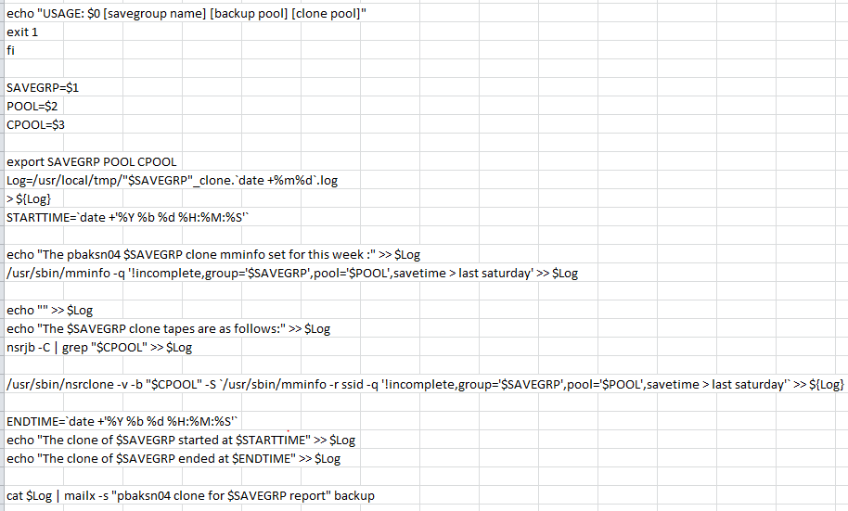
cd /nsr/logs /usr/sbin/nsr_render_log daemon.raw | grep complete | more | to check logs for backup completion time.
cd /nsr/logs /usr/sbin/nsr_render_log daemon.raw | grep complete > NA | to pump logs to file (NA),
2- copy the file to desktop / local drive via winscp
3- open the file using words / note pad | 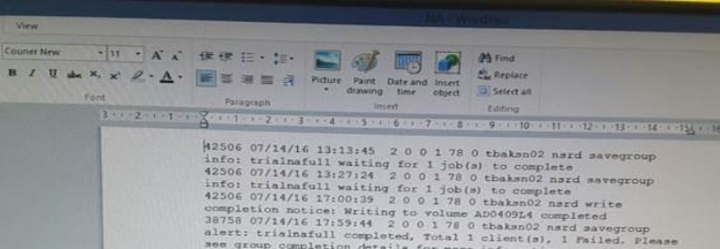
Copy the content to excel and use filtering by trialnafull ** example below show as all the client are still running as no client complete for full | 

http://thelinuxfaq.com/
http://www.linuxquestions.org/questions/linux-networking-3/nagios-config-429200/
http://home.earthlink.net/~jdykzeul/docs/uuasc/networker_intro/command_line_examples.html

nohup /usr/sbin/nsrclone -v -b NAClone -S `/usr/sbin/mminfo -r ssid -q "group=na-prj-full,pool=NAFull,savetime>04/08/2017"` &

Naigos setup
Command | Remarks
service nagios restart | restart nagios
service nagios status | nagios status
chmod 666 nagios.cmd | change permisson
setenforce 1 | put SELinux (Security-Enhanced Linux) enforcing mode
setenforce 0 | put SELinux (Security-Enhanced Linux) permissive mode
service httpd restart | restart httpd
service httpd status | httpd status
usermod -G nagcmd apache usermod -G nagcmd nagios | Add users that the web server and Nagios run as to the newly created group
chown nagios : nagios htpasswd.usr | 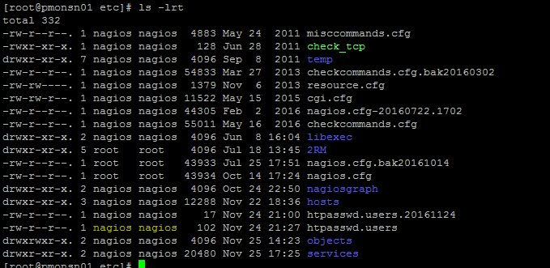 Change owner for the file

TXC nagios file system alert
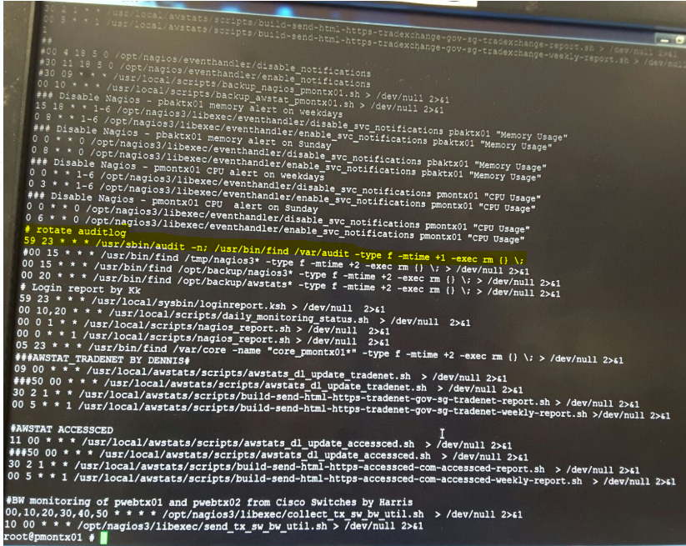
Alert received
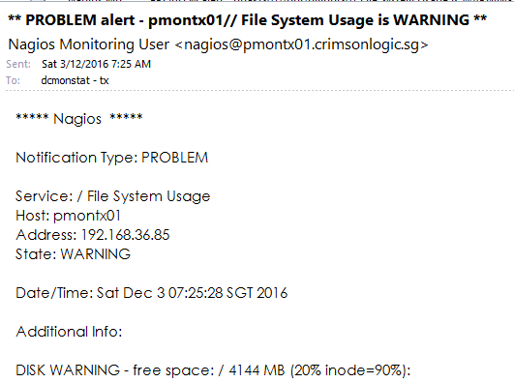
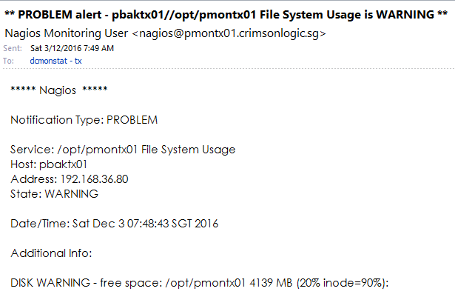

login to to Pbaktx01 (Phyiscal server)
#zlogin pmontx01 (login to Virtual server)
#cd /var/audit
#ls -lrt

eg : Remove 20161130 & 20161201

#rm -R 20161130155902.20161201020021.pmontx01

# crontab -l | (list crontab job)

pbktx01 nsr alert
Alert received

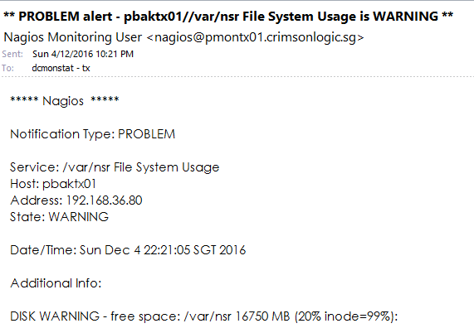

go to directory
# cd /var/nsr
chk the index space
# du -sh *

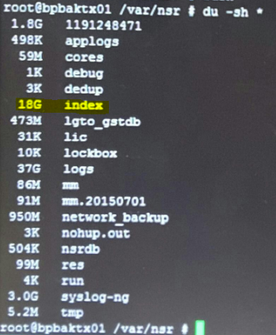

to purpose to hosuekeep index
if nt necessary dont run, as it wll clear the full index and tomorw run incr will b full
# nsrim -l
chk the index space to see if the disk space decrease
# du -sh *

checking on DNS service
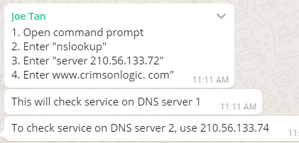

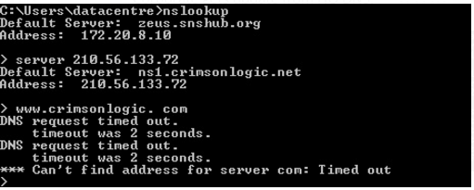

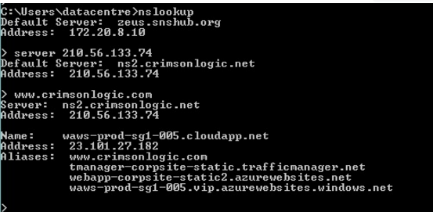

Access backup via pmonsn01
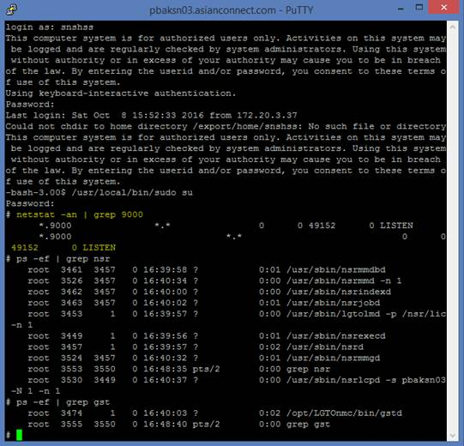

Hi DC/Aldwin,

Adding to this, We are able to telnet to pbaksn03 from pmonsn01 and we are able to access the URL from pmonsn01 server. To access pbaksn03 server from pmonsn01.

1.start the x manager(https://sourceforge.net/projects/xming/ -- Download Link)
2.Connect to pmonsn01 ( Enable X11 Forwarding)
3.Executet the command ‘firefox &’
4.Type the URL in the Firefox.
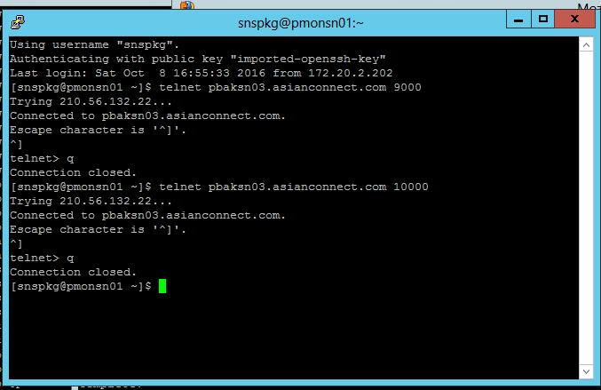

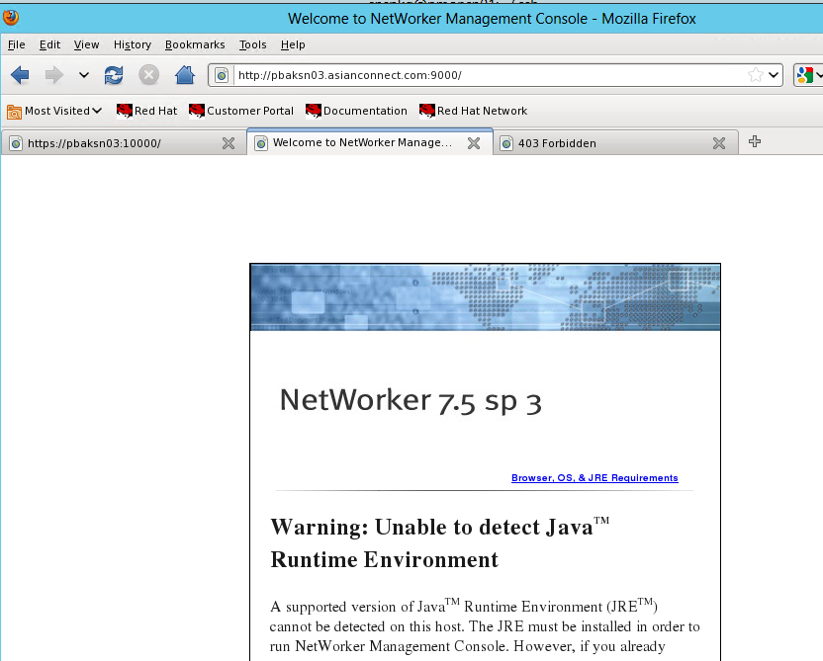

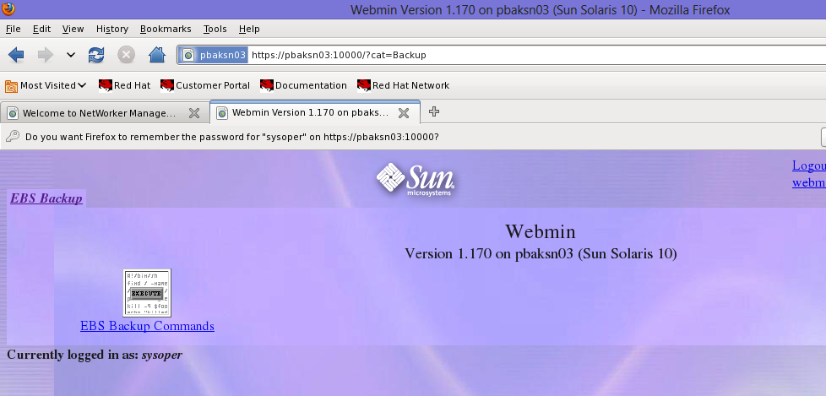

login as: snswpc
This computer system is for authorized users only. Activities on this system may be logged and are regularly checked by system administrators. Using this system without authority or in excess of your authority may cause you to be in breach of the law. By entering the userid and/or password, you consent to these terms o f use of this system.
Using keyboard-interactive authentication.
Password:
Last login: Mon Oct 10 17:06:04 2016 from 172.20.3.50
This computer system is for authorized users only. Activities on this system may be logged and are regularly checked by system administrators. Using this system without authority or in excess of your authority may cause you to be in breach of the law. By entering the userid and/or password, you consent to these terms o f use of this system.
-bash-3.00$ sudo bash
Password:
bash-3.00# netstat -an

UDP: IPv4
Local Address Remote Address State
-------------------- -------------------- ----------
*.6481 Idle
127.0.0.1.49071 127.0.0.1.514 Connected
*.10000 Idle
*.7938 Idle
*.49160 Idle
*.111 Idle
*.* Unbound
*.8034 Idle
*.37823 Idle

UDP: IPv6
Local Address Remote Address State If
--------------------------------- --------------------------------- ---------- - ----
*.6481 Idle
*.7938 Idle
*.8034 Idle

TCP: IPv4
Local Address Remote Address Swind Send-Q Rwind Recv-Q State
-------------------- -------------------- ----- ------ ----- ------ -----------
210.56.132.22.22 172.20.3.38.55496 65536 51 49680 0 ESTABLISHED
*.* *.* 0 0 49152 0 IDLE
*.9000 *.* 0 0 49152 0 LISTEN
*.* *.* 0 0 49152 0 IDLE
*.9777 *.* 0 0 65880 0 LISTEN
*.* *.* 0 0 49152 0 IDLE
127.0.0.1.35641 127.0.0.1.8569 36810 0 81800 0 ESTABLISHED
127.0.0.1.8569 127.0.0.1.35641 81800 0 73620 0 ESTABLISHED
127.0.0.1.25 *.* 0 0 49152 0 LISTEN
127.0.0.1.587 *.* 0 0 49152 0 LISTEN
*.6481 *.* 0 0 49152 0 LISTEN
127.0.0.1.35665 127.0.0.1.35664 49152 0 49152 0 ESTABLISHED
127.0.0.1.35664 127.0.0.1.35665 49152 0 49152 0 ESTABLISHED
127.0.0.1.35670 127.0.0.1.8569 36810 0 81800 0 ESTABLISHED
127.0.0.1.8569 127.0.0.1.35670 81800 0 73620 0 ESTABLISHED
*.9015 *.* 0 0 49152 0 LISTEN
*.* *.* 0 0 49152 0 IDLE
*.8421 *.* 0 0 65880 0 LISTEN
*.* *.* 0 0 49152 0 IDLE
127.0.0.1.35757 127.0.0.1.8569 36810 0 81800 0 ESTABLISHED
127.0.0.1.8569 127.0.0.1.35757 81800 0 73620 0 ESTABLISHED
*.8504 *.* 0 0 65880 0 LISTEN
*.* *.* 0 0 49152 0 IDLE
127.0.0.1.35805 127.0.0.1.9777 36810 0 81800 0 ESTABLISHED
127.0.0.1.9777 127.0.0.1.35805 81800 0 73620 0 ESTABLISHED
*.22 *.* 0 0 49152 0 LISTEN
*.9411 *.* 0 0 65880 0 LISTEN
*.* *.* 0 0 49152 0 IDLE
127.0.0.1.35866 127.0.0.1.8504 36810 0 81800 0 ESTABLISHED
127.0.0.1.8504 127.0.0.1.35866 81800 0 73620 0 ESTABLISHED
127.0.0.1.35872 127.0.0.1.9411 36810 0 81800 0 ESTABLISHED
127.0.0.1.9411 127.0.0.1.35872 81800 0 73620 0 ESTABLISHED
*.8456 *.* 0 0 65880 0 LISTEN
*.* *.* 0 0 49152 0 IDLE
127.0.0.1.35888 127.0.0.1.8569 36810 0 81800 0 ESTABLISHED
127.0.0.1.8569 127.0.0.1.35888 81800 0 73620 0 ESTABLISHED
127.0.0.1.35904 127.0.0.1.8456 36810 0 81800 0 ESTABLISHED
127.0.0.1.8456 127.0.0.1.35904 81800 0 73620 0 ESTABLISHED
127.0.0.1.35908 127.0.0.1.8504 36810 0 81800 0 ESTABLISHED
127.0.0.1.8504 127.0.0.1.35908 81800 0 73620 0 ESTABLISHED
127.0.0.1.35924 127.0.0.1.9777 36810 0 81800 0 ESTABLISHED
127.0.0.1.9777 127.0.0.1.35924 81800 0 73620 0 ESTABLISHED
127.0.0.1.35938 127.0.0.1.9777 36810 0 81800 0 ESTABLISHED
127.0.0.1.9777 127.0.0.1.35938 81800 0 73620 0 ESTABLISHED
127.0.0.1.35941 127.0.0.1.8569 36810 0 81800 0 ESTABLISHED
127.0.0.1.8569 127.0.0.1.35941 81800 0 73620 0 ESTABLISHED
*.10000 *.* 0 0 49152 0 LISTEN
*.9001 *.* 0 0 49152 0 LISTEN
*.* *.* 0 0 49152 0 IDLE
*.7938 *.* 0 0 49152 0 LISTEN
*.8000 *.* 0 0 49152 0 LISTEN
*.* *.* 0 0 49152 0 IDLE
*.9000 *.* 0 0 49152 0 LISTEN
*.2638 *.* 0 0 49152 0 LISTEN
*.9784 *.* 0 0 49152 0 LISTEN
*.* *.* 0 0 49152 0 IDLE
127.0.0.1.35985 127.0.0.1.8569 36810 0 81800 0 ESTABLISHED
127.0.0.1.8569 127.0.0.1.35985 81800 0 73620 0 ESTABLISHED
*.7937 *.* 0 0 49152 0 LISTEN
*.* *.* 0 0 49152 0 IDLE
*.9370 *.* 0 0 49152 0 LISTEN
*.* *.* 0 0 49152 0 IDLE
*.8569 *.* 0 0 65880 0 LISTEN
*.* *.* 0 0 49152 0 IDLE
*.111 *.* 0 0 49152 0 LISTEN
*.* *.* 0 0 49152 0 IDLE
127.0.0.1.35611 127.0.0.1.9784 57260 0 81800 0 ESTABLISHED
127.0.0.1.9784 127.0.0.1.35611 81800 0 57260 0 ESTABLISHED

TCP: IPv6
Local Address Remote Address Swind Send-Q Rwind Recv-Q State If
--------------------------------- --------------------------------- ----- ------ ----- ------ ----------- -----
*.* *.* 0 0 49152 0 IDLE
*.9000 *.* 0 0 49152 0 LISTEN
*.9777 *.* 0 0 65880 0 LISTEN
*.* *.* 0 0 49152 0 IDLE
*.9015 *.* 0 0 49152 0 LISTEN
*.* *.* 0 0 49152 0 IDLE
*.8421 *.* 0 0 65880 0 LISTEN
*.* *.* 0 0 49152 0 IDLE
*.8504 *.* 0 0 65880 0 LISTEN
*.* *.* 0 0 49152 0 IDLE
*.22 *.* 0 0 49152 0 LISTEN
*.9411 *.* 0 0 65880 0 LISTEN
*.* *.* 0 0 49152 0 IDLE
*.8456 *.* 0 0 65880 0 LISTEN
*.* *.* 0 0 49152 0 IDLE
*.9001 *.* 0 0 49152 0 LISTEN
*.* *.* 0 0 49152 0 IDLE
*.7938 *.* 0 0 49152 0 LISTEN
*.8000 *.* 0 0 49152 0 LISTEN
*.* *.* 0 0 49152 0 IDLE
*.9784 *.* 0 0 49152 0 LISTEN
*.* *.* 0 0 49152 0 IDLE
*.7937 *.* 0 0 49152 0 LISTEN
*.* *.* 0 0 49152 0 IDLE
*.9370 *.* 0 0 49152 0 LISTEN
*.* *.* 0 0 49152 0 IDLE
*.8569 *.* 0 0 65880 0 LISTEN
*.* *.* 0 0 49152 0 IDLE

SCTP:
Local Address Remote Address Swind Send-Q Rw ind Recv-Q StrsI/O State
------------------------------- ------------------------------- ------ ------ -- ---- ------ ------- -----------
0.0.0.0 0.0.0.0 0 0 10 2400 0 32/32 CLOSED

Active UNIX domain sockets
Address Type Vnode Conn Local Addr Remote Addr
600169d4728 stream-ord 6002e917c80 00000000 /tmp/.SQLAnywhere/gst_on_pbaksn03/lr m_socket
600169d5c88 stream-ord 600169885c0 00000000 /var/run/.inetd.uds
bash-3.00# ps -ef |grep gstd
root 6383 6377 0 18:00:06 pts/1 0:00 grep gstd
root 6253 1 0 14:41:21 ? 0:10 /opt/LGTOnmc/bin/gstd
bash-3.00# uptime
6:01pm up 1483 day(s), 23:12, 1 user, load average: 0.02, 0.02, 0.02
bash-3.00# ifconfig -a
bash: ifconfig: command not found
bash-3.00# /sbin/ifconfig -a
lo0: flags=2001000849<UP,LOOPBACK,RUNNING,MULTICAST,IPv4,VIRTUAL> mtu 8232 index 1
inet 127.0.0.1 netmask ff000000
e1000g0: flags=1000843<UP,BROADCAST,RUNNING,MULTICAST,IPv4> mtu 1500 index 2
inet 210.56.132.22 netmask ffffff00 broadcast 210.56.132.255
ether 0:21:28:82:81:22
bash-3.00# cd /opt/LGTOnmc/
bash-3.00# ls
apache bin cores cst etc logs man mod sybasa web
bash-3.00# cd logs
bash-3.00# ls -lrta
total 816
-rw-r--r-- 1 root root 0 Nov 30 2010 dbstop_output
drwxr-xr-x 2 root other 512 Nov 30 2010 .
drwxr-xr-x 12 root root 512 Nov 30 2010 ..
-rw-r--r-- 1 root other 13572 Nov 30 2010 install.log
-rw-r--r-- 1 root root 372286 Oct 10 14:41 gstd.raw
-rw-r--r-- 1 root root 308 Oct 10 14:41 web_output
-rw-r--r-- 1 root root 15088 Oct 10 14:41 db_output
bash-3.00#

root@pbaksn03 # netstat -an

UDP: IPv4
Local Address Remote Address State
-------------------- -------------------- ----------
*.6481 Idle
127.0.0.1.49071 127.0.0.1.514 Connected
*.10000 Idle
*.49160 Idle
*.111 Idle
*.* Unbound
*.37823 Idle

UDP: IPv6
Local Address Remote Address State If
--------------------------------- --------------------------------- ---------- -----
*.6481 Idle

TCP: IPv4
Local Address Remote Address Swind Send-Q Rwind Recv-Q State
-------------------- -------------------- ----- ------ ----- ------ -----------
210.56.132.22.22 172.20.3.38.55496 65024 51 49680 0 ESTABLISHED
*.* *.* 0 0 49152 0 IDLE
*.9000 *.* 0 0 49152 0 LISTEN
*.* *.* 0 0 49152 0 IDLE
127.0.0.1.25 *.* 0 0 49152 0 LISTEN
127.0.0.1.587 *.* 0 0 49152 0 LISTEN
*.6481 *.* 0 0 49152 0 LISTEN
*.22 *.* 0 0 49152 0 LISTEN
*.10000 *.* 0 0 49152 0 LISTEN
*.111 *.* 0 0 49152 0 LISTEN
*.* *.* 0 0 49152 0 IDLE

TCP: IPv6
Local Address Remote Address Swind Send-Q Rwind Recv-Q State If
--------------------------------- --------------------------------- ----- ------ ----- ------ ----------- -----
*.* *.* 0 0 49152 0 IDLE
*.9000 *.* 0 0 49152 0 LISTEN
*.22 *.* 0 0 49152 0 LISTEN

SCTP:
Local Address Remote Address Swind Send-Q Rwind Recv-Q StrsI/O State
------------------------------- ------------------------------- ------ ------ ------ ------ ------- -----------
0.0.0.0 0.0.0.0 0 0 102400 0 32/32 CLOSED

Active UNIX domain sockets
Address Type Vnode Conn Local Addr Remote Addr
600169d5c88 stream-ord 600169885c0 00000000 /var/run/.inetd.uds
root@pbaksn03 # netstat -an

UDP: IPv4
Local Address Remote Address State
-------------------- -------------------- ----------
*.6481 Idle
127.0.0.1.49071 127.0.0.1.514 Connected
*.10000 Idle
*.49160 Idle
*.111 Idle
*.* Unbound
*.37823 Idle

UDP: IPv6
Local Address Remote Address State If
--------------------------------- --------------------------------- ---------- -----
*.6481 Idle

TCP: IPv4
Local Address Remote Address Swind Send-Q Rwind Recv-Q State
-------------------- -------------------- ----- ------ ----- ------ -----------
210.56.132.22.22 172.20.3.38.55496 66048 51 49680 0 ESTABLISHED
*.* *.* 0 0 49152 0 IDLE
*.9000 *.* 0 0 49152 0 LISTEN
*.* *.* 0 0 49152 0 IDLE
127.0.0.1.25 *.* 0 0 49152 0 LISTEN
127.0.0.1.587 *.* 0 0 49152 0 LISTEN
*.6481 *.* 0 0 49152 0 LISTEN
*.22 *.* 0 0 49152 0 LISTEN
*.10000 *.* 0 0 49152 0 LISTEN
*.111 *.* 0 0 49152 0 LISTEN
*.* *.* 0 0 49152 0 IDLE

TCP: IPv6
Local Address Remote Address Swind Send-Q Rwind Recv-Q State If
--------------------------------- --------------------------------- ----- ------ ----- ------ ----------- -----
*.* *.* 0 0 49152 0 IDLE
*.9000 *.* 0 0 49152 0 LISTEN
*.22 *.* 0 0 49152 0 LISTEN

SCTP:
Local Address Remote Address Swind Send-Q Rwind Recv-Q StrsI/O State
------------------------------- ------------------------------- ------ ------ ------ ------ ------- -----------
0.0.0.0 0.0.0.0 0 0 102400 0 32/32 CLOSED

Active UNIX domain sockets
Address Type Vnode Conn Local Addr Remote Addr
600169d5c88 stream-ord 600169885c0 00000000 /var/run/.inetd.uds
root@pbaksn03 #
root@pbaksn03 #
root@pbaksn03 #
root@pbaksn03 # /etc/init.d/networker start
root@pbaksn03 # nsrwatch
Server: pbaksn03 Mon Oct 10 18:42:17 2016

Up since: Mon Oct 10 18:41:51 2016 Version: NetWorker 7.5.3.Build.514 Network Edition/10
Saves: 0 session(s) Recovers: 0 session(s)
Device type volume
/dev/rmt/2cbn(J) LTO Ultrium-4 AE0031L4

Sessions:

Messages:
:
:
Mon 18:41:50 server notice: started
Mon 18:41:58 index notice: checking index for 'westin'
Mon 18:41:58 index notice: /opt/nsr/index/westin contains 864556 records occupying 137 MB
Mon 18:41:58 index notice: checking index for 'plogsn01'
Mon 18:41:58 index notice: /opt/nsr/index/plogsn01 contains 157982 records occupying 22 MB
Mon 18:41:58 index notice: checking index for 'concorde2'
Mon 18:41:58 index notice: /opt/nsr/index/concorde2 contains 3253786 records occupying 548 MB
Mon 18:41:58 index notice: checking index for 'copthorne'
Mon 18:41:58 index notice: /opt/nsr/index/copthorne contains 403228 records occupying 69 MB
Mon 18:41:58 index notice: checking index for 'le-meridien'
Mon 18:41:58 index notice: /opt/nsr/index/le-meridien contains 59766 records occupying 9162 KB
Mon 18:41:58 index notice: checking index for 'pbaksn03'
Mon 18:41:58 index notice: /opt/nsr/index/pbaksn03 contains 1101402 records occupying 181 MB
Mon 18:41:58 index notice: checking index for 'psmtsn01'
Mon 18:41:58 index notice: /opt/nsr/index/psmtsn01 contains 0 records occupying 0 KB
Mon 18:41:58 index notice: checking index for 'plwblg01'
Mon 18:41:58 index notice: /opt/nsr/index/plwblg01 contains 0 records occupying 0 KB
Mon 18:41:58 index notice: checking index for 'plwblg11'
Mon 18:41:58 index notice: /opt/nsr/index/plwblg11 contains 0 records occupying 0 KB
Mon 18:41:58 index notice: checking index for 'snswf03'
Mon 18:41:58 index notice: /opt/nsr/index/snswf03 contains 1520657 records occupying 284 MB
Mon 18:41:58 index notice: Completed checking 10 client(s)

Pending:

root@pbaksn03 #
root@pbaksn03 #
root@pbaksn03 # df -h
Filesystem size used avail capacity Mounted on
/dev/md/dsk/d0 20G 3.9G 16G 21% /
/devices 0K 0K 0K 0% /devices
ctfs 0K 0K 0K 0% /system/contract
proc 0K 0K 0K 0% /proc
mnttab 0K 0K 0K 0% /etc/mnttab
swap 21G 1.6M 21G 1% /etc/svc/volatile
objfs 0K 0K 0K 0% /system/object
sharefs 0K 0K 0K 0% /etc/dfs/sharetab
/platform/SUNW,SPARC-Enterprise-T5120/lib/libc_psr/libc_psr_hwcap2.so.1
20G 3.9G 16G 21% /platform/sun4v/lib/libc_psr.so.1
/platform/SUNW,SPARC-Enterprise-T5120/lib/sparcv9/libc_psr/libc_psr_hwcap2.so.1
20G 3.9G 16G 21% /platform/sun4v/lib/sparcv9/libc_psr.so.1
fd 0K 0K 0K 0% /dev/fd
/dev/md/dsk/d3 9.9G 2.0G 7.7G 21% /var
swap 21G 0K 21G 0% /tmp
swap 21G 32K 21G 1% /var/run
/dev/md/dsk/d4 20G 709M 19G 4% /opt
/dev/md/dsk/d5 70G 1.7G 67G 3% /opt/nsr
root@pbaksn03 # nsrwatch
Server: pbaksn03 Mon Oct 10 18:43:14 2016

Up since: Mon Oct 10 18:41:51 2016 Version: NetWorker 7.5.3.Build.514 Network Edition/10
Saves: 0 session(s) Recovers: 0 session(s)
Device type volume
/dev/rmt/2cbn(J) LTO Ultrium-4 AE0031L4 mounted LTO Ultrium-4 tape AE0031L4

Sessions:

Messages:
Mon 18:41:50 server notice: started
Mon 18:41:58 index notice: checking index for 'westin'
Mon 18:41:58 index notice: /opt/nsr/index/westin contains 864556 records occupying 137 MB
Mon 18:41:58 index notice: checking index for 'plogsn01'
Mon 18:41:58 index notice: /opt/nsr/index/plogsn01 contains 157982 records occupying 22 MB
Mon 18:41:58 index notice: checking index for 'concorde2'
Mon 18:41:58 index notice: /opt/nsr/index/concorde2 contains 3253786 records occupying 548 MB
Mon 18:41:58 index notice: checking index for 'copthorne'
Mon 18:41:58 index notice: /opt/nsr/index/copthorne contains 403228 records occupying 69 MB
Mon 18:41:58 index notice: checking index for 'le-meridien'
Mon 18:41:58 index notice: /opt/nsr/index/le-meridien contains 59766 records occupying 9162 KB
Mon 18:41:58 index notice: checking index for 'pbaksn03'
Mon 18:41:58 index notice: /opt/nsr/index/pbaksn03 contains 1101402 records occupying 181 MB
Mon 18:41:58 index notice: checking index for 'psmtsn01'
Mon 18:41:58 index notice: /opt/nsr/index/psmtsn01 contains 0 records occupying 0 KB
Mon 18:41:58 index notice: checking index for 'plwblg01'
Mon 18:41:58 index notice: /opt/nsr/index/plwblg01 contains 0 records occupying 0 KB
Mon 18:41:58 index notice: checking index for 'plwblg11'
Mon 18:41:58 index notice: /opt/nsr/index/plwblg11 contains 0 records occupying 0 KB
Mon 18:41:58 index notice: checking index for 'snswf03'
Mon 18:41:58 index notice: /opt/nsr/index/snswf03 contains 1520657 records occupying 284 MB
Mon 18:41:58 index notice: Completed checking 10 client(s)
Mon 18:42:24 /dev/rmt/2cbn mounted LTO Ultrium-4 tape AE0031L4
Mon 18:43:02 media info: Jukebox `HP@2.1.1' Hardware status of jukebox 'HP@2.1.1' is 'ready'

Pending:

root@pbaksn03 #
root@pbaksn03 #
root@pbaksn03 #
root@pbaksn03 # /etc/init.d/gst start
Starting GST:
GST Services, Version 3.5.3.Build.514

done.
root@pbaksn03 #
root@pbaksn03 #
root@pbaksn03 #
root@pbaksn03 #

nagios
zoneadm list -cv | list virtual zone

zlogin zonemon | login to virtual zone (Trial TXC nagios) - zlogin zonemon
 | login to virtual zone (Prod TXC nagios) - zlogin pltarestxv1
ps -ef |grep nagios | to list all the processes running

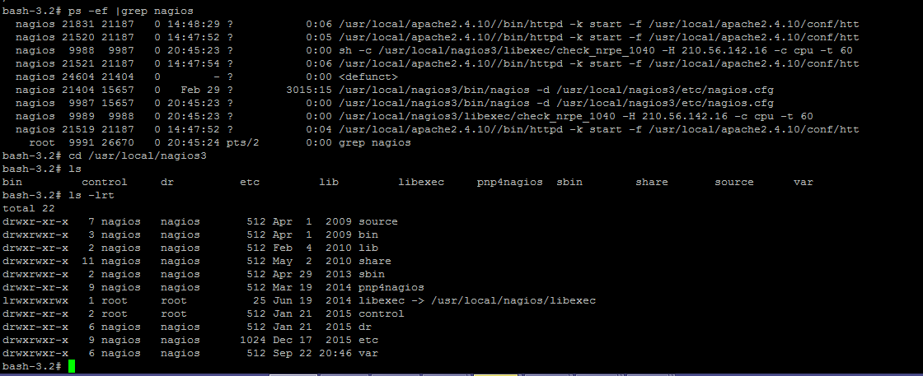

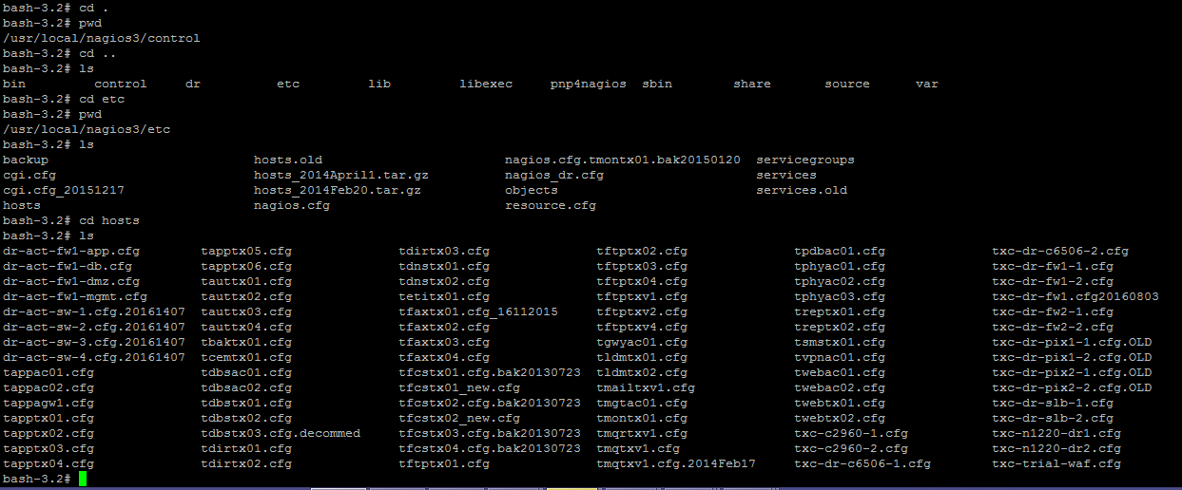

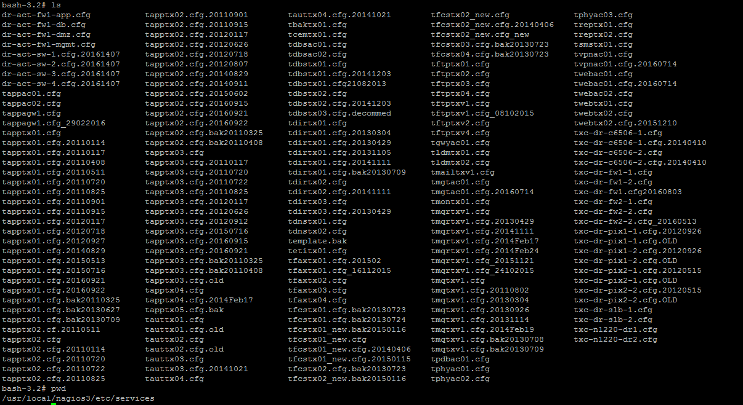

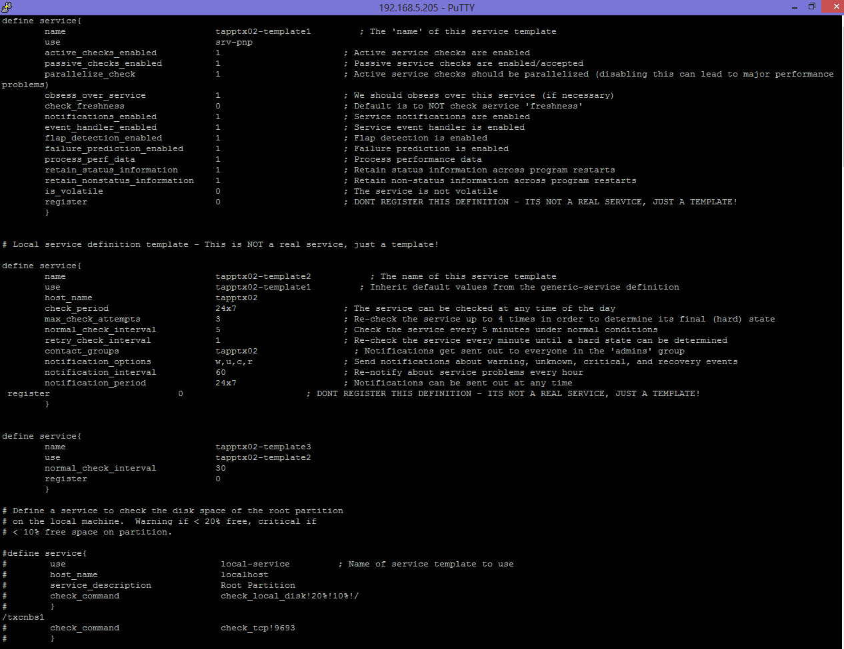

bash-3.2#
bash-3.2#
bash-3.2# /usr/sfw/bin/snmpwalk -v 3 -a MD5 -A txc-M0n1 -l authPriv -u nagios -x DES -X txc-M0n1 txc-dr-fw2-1
bash-3.2#
bash-3.2#
bash-3.2#
bash-3.2# ps -ef |grep nagios
nagios 21831 21187 0 14:48:29 ? 0:03 /usr/local/apache2.4.10//bin/httpd -k start -f /usr/local/apache2.4.10/conf/htt
nagios 21520 21187 0 14:47:52 ? 0:02 /usr/local/apache2.4.10//bin/httpd -k start -f /usr/local/apache2.4.10/conf/htt
nagios 21521 21187 0 14:47:54 ? 0:03 /usr/local/apache2.4.10//bin/httpd -k start -f /usr/local/apache2.4.10/conf/htt
nagios 24604 21404 0 - ? 0:00 <defunct>
nagios 21404 15657 0 Feb 29 ? 3013:06 /usr/local/nagios3/bin/nagios -d /usr/local/nagios3/etc/nagios.cfg
nagios 21519 21187 0 14:47:52 ? 0:02 /usr/local/apache2.4.10//bin/httpd -k start -f /usr/local/apache2.4.10/conf/htt
root 4639 22627 0 17:36:00 pts/2 0:00 grep nagios
bash-3.2# /usr/local/nagios3/bin/nagios -v /usr/local/nagios3/etc/nagios.cfg

Nagios 3.0.6
Copyright (c) 1999-2008 Ethan Galstad (http://www.nagios.org)
Last Modified: 12-01-2008
License: GPL

Reading configuration data...

Running pre-flight check on configuration data...

Checking services...
Warning: Service 'SSL Cert expiry for tfaxtx02.crimsonlogic.sg' on host 'tfaxtx02' has a notification interval less than its check interval! Notifications are only re-sent after checks are made, so the effective notification interval will be that of the check interval.
Warning: Service 'SSL Cert expiry for tfaxtx03.crimsonlogic.sg' on host 'tfaxtx03' has a notification interval less than its check interval! Notifications are only re-sent after checks are made, so the effective notification interval will be that of the check interval.
Warning: Service 'SSL Cert expiry for tfaxtx04.crimsonlogic.sg' on host 'tfaxtx04' has a notification interval less than its check interval! Notifications are only re-sent after checks are made, so the effective notification interval will be that of the check interval.
Warning: Service 'SSL Cert expiry for tsmstx01.crimsonlogic.sg' on host 'tsmstx01' has a notification interval less than its check interval! Notifications are only re-sent after checks are made, so the effective notification interval will be that of the check interval.
Checked 1069 services.
Checking hosts...
Warning: Host 'tapptx05' has no services associated with it!
Warning: Host 'tapptx06' has no services associated with it!
Warning: Host 'tauttx03' has no services associated with it!
Warning: Host 'tauttx04' has no services associated with it!
Warning: Host 'txc-c2960-1.cfg' has no services associated with it!
Warning: Host 'txc-c2960-2.cfg' has no services associated with it!
Warning: Host 'txc-trial-waf' has no services associated with it!
Checked 74 hosts.
Checking host groups...
Checked 11 host groups.
Checking service groups...
Checked 2 service groups.
Checking contacts...
Checked 4 contacts.
Checking contact groups...
Checked 82 contact groups.
Checking service escalations...
Checked 0 service escalations.
Checking service dependencies...
Checked 0 service dependencies.
Checking host escalations...
Checked 0 host escalations.
Checking host dependencies...
Checked 0 host dependencies.
Checking commands...
Checked 77 commands.
Checking time periods...
Checked 5 time periods.
Checking for circular paths between hosts...
Checking for circular host and service dependencies...
Checking global event handlers...
Checking obsessive compulsive processor commands...
Checking misc settings...

Total Warnings: 11
Total Errors: 0

Things look okay - No serious problems were detected during the pre-flight check
bash-3.2# /etc/init.d/nagios reload
Running configuration check...done.
Reloading nagios configuration...done
bash-3.2#
bash-3.2#
bash-3.2#

cp -p tapptx01.cfg tapptx01.cfg.20160922 |  | copy config

449 ps -ef |grep nagios
450 vi /usr/local/nagios3/etc/nagios.cfg
451 ls
452 pwd
453 ps -ef |grep nagios
454 cd /usr/local/nagios3/etc/services
455 ls
456 cp -p tapptx01.cfg tapptx01.cfg.20160922
457 cp -p tapptx02.cfg tapptx02.cfg.20160922
458 vi tapptx01.cfg
459 vi tapptx02.cfg
460 ps -ef |grep nagios
461 /usr/local/nagios3/bin/nagios -v /usr/local/nagios3/etc/nagios.cfg
462 /etc/init.d/nagios reload
463 exit
464 pwd
465 cd hosts
466 ls
467 vi tdbstx02.cfg
468 cp -p tdbstx02.cfg tdbstx08.cfg
469 vi tdbstx08.cfg
470 ls
471 cd ..
472 ls
473 cd contacts
474 cd contacts.cfg
475 vi contacts.cfg
476 ls
477 vi contactgroups.cfg
478 vi contacts.cfg
479 ls
480 cd ../hosts
481 ls
482 cd ../hosts
483 pwd
484 cd hosts
485 ls
486 ls -lrt
487 ls -lrth
488 ls -lrta
489 rm tdbstx08.cfg
490 ls
491 pwd
492 cd ../services
493 ls
494 vi tdbstx02.cfg
495 vi tdbstx02.cfg
496 vi tdbstx02.cfg
497 ps -ef |grep nagios
498 usr/local/nagios3/bin/nagios -v /usr/local/nagios3/etc/nagios.cfg
499 su -
500 exit
501 ps -ef |grep nagios
502 ps -ef |grep nagios
503*
504 history
bash-3.2# ls
SUNWarc ctc etc home lib net platform sbin tmp var
bin dev export kernel mnt opt proc system usr
bash-3.2# ls -lrt
total 1000
drwxr-xr-x 5 root staff 512 Dec 8 2005 SUNWarc
drwxr-xr-x 2 root sys 512 May 17 2006 mnt
drwxr-xr-x 3 root sys 512 Sep 20 2006 export
drwxr-xr-x 42 root sys 2048 Jun 17 2014 platform
drwxr-xr-x 2 root sys 1024 Jun 17 2014 sbin
drwxr-xr-x 8 root bin 3584 Jun 17 2014 lib
drwxr-xr-x 4 root sys 512 Jun 17 2014 kernel
drwxr-xr-x 39 root sys 1024 Jun 17 2014 var
drwxr-xr-x 4 root root 512 Jun 17 2014 system
lrwxrwxrwx 1 root root 9 Jun 17 2014 bin -> ./usr/bin
drwxr-xr-x 2 root root 512 Jun 18 2014 ctc
drwxr-xr-x 12 root root 1024 Jan 22 2015 dev
dr-xr-xr-x 1 root root 1 Jan 22 2015 net
dr-xr-xr-x 1 root root 1 Jan 22 2015 home
drwxr-xr-x 14 root sys 1024 Nov 17 2015 opt
drwxr-xr-x 36 root sys 1024 Nov 17 2015 usr
drwxr-xr-x 72 root sys 4096 Sep 19 11:15 etc
drwxrwxrwt 4 root sys 737 Sep 22 20:40 tmp
dr-xr-xr-x 108 root root 480032 Sep 22 20:41 proc
bash-3.2#

SSL & Curl
https://curl.haxx.se/
https://www.openssl.org/source/

929 ./config --prefix=/usr/local/openssl102 enable-tlsext shared
930 make
931 make install

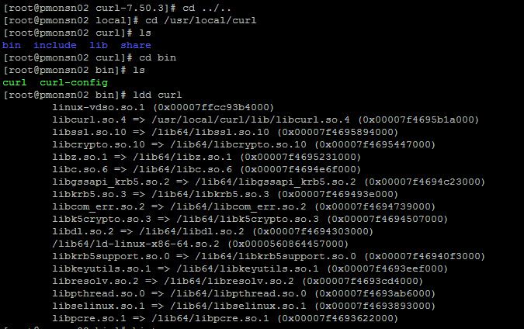

With reference to the below error received when checking for web page defacement, the root cause could be due to bug of “curl” program. I have deployed an updated version of the curl binary compiled from the latest source. Below are the steps for your reference:

# cd /home/snsteh
# tar -zxvf curl-7.50.3.tar.gz
# cd curl-7.50.3
# ./configure --prefix=/usr/local/curl --with-ssl=/usr/local/openssl102
# make
# make install
# cd /opt/nagios/libexec
# cp -p check_http_ssl102 check_by_curl
# vi check_by_curl
# vi check_page_ALL.sh
# vi normalize_check_page_ALL.sh

Content of “check_by_curl”

LD_LIBRARY_PATH=/usr/local/openssl102/lib:/usr/local/curl/lib
export LD_LIBRARY_PATH
ARG=$*
/usr/local/curl/bin/curl $*

Compile a new version of openssl in separate directory
tar -zxvf openssl-1.0.2j.tar.gz
cd openssl-1.0.2j
ls -la
./config --prefix=/usr/local/openssl102 enable-tlsext shared
make
make install

Compile the Nagios plugin with update openssl in separate folder
cd ../nagios-plugins-2.1.2
./configure --prefix=/usr/local/nagiospluginssl102 --with-openssl=/usr/local/openssl102 --without-mysql
make
make install

Update the check_http in commands.cfg to use the new Nagios plugin binary

Before is the check command that uses the updated “check_http” that is compiled with OpenSSL version 1.0.2j
# cat /opt/nagios/libexec/check_http_ssl102
LD_LIBRARY_PATH=/usr/local/openssl102/lib
export LD_LIBRARY_PATH
ARG=$*
/usr/local/nagiospluginssl102/libexec/check_http $*

